Pivot Table
Avg. Income Per Purchase

Average of Income | Column Labels
Row Labels | No | Yes | Grand Total
Female | 53,440 | 55,774 | 54,581
Male | 56,208 | 60,124 | 58,063
Grand Total | 54,875 | 57,963 | 56,360

Customer Commute

Count of Purchased Bike | Column Labels
Row Labels | No | Yes | Grand Total
0-1 Miles | 166 | 200 | 366
1-2 Miles | 92 | 77 | 169
2-5 Miles | 67 | 95 | 162
5-10 Miles | 116 | 76 | 192
10 Miles + | 78 | 33 | 111
Grand Total | 519 | 481 | 1000

Customer Age Brackets
Count of Purchased Bike | Column Labels
Row Labels | No | Yes | Grand Total
Adolescent | 71 | 39 | 110
Middle Age | 318 | 383 | 701
Old | 130 | 59 | 189
Grand Total | 519 | 481 | 1000

Dashboard
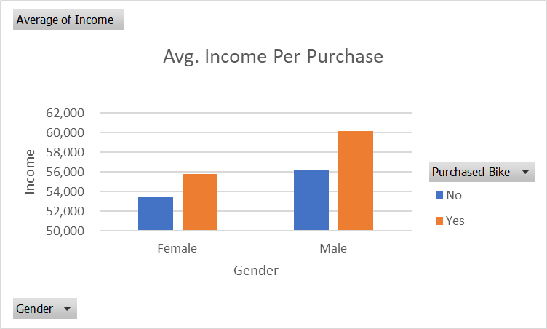
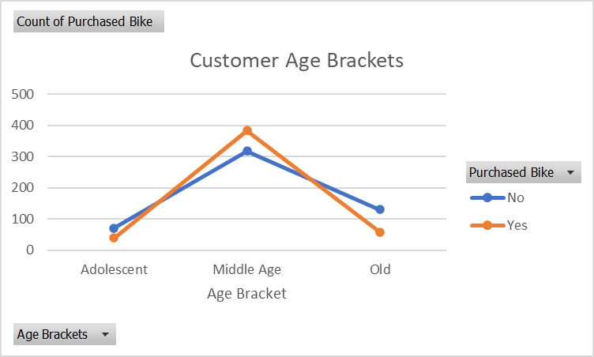
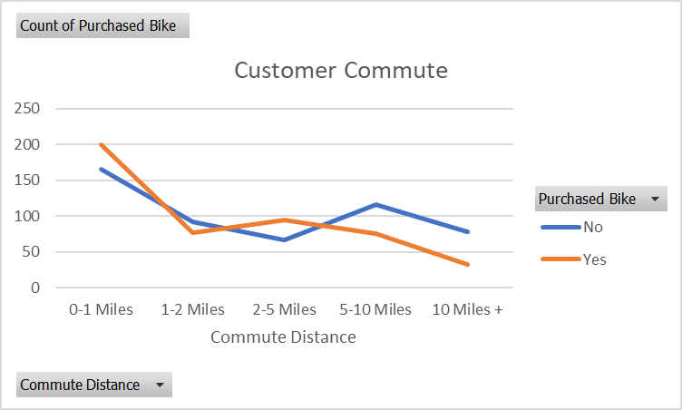
Bike Sales Dashboard

